diagrams
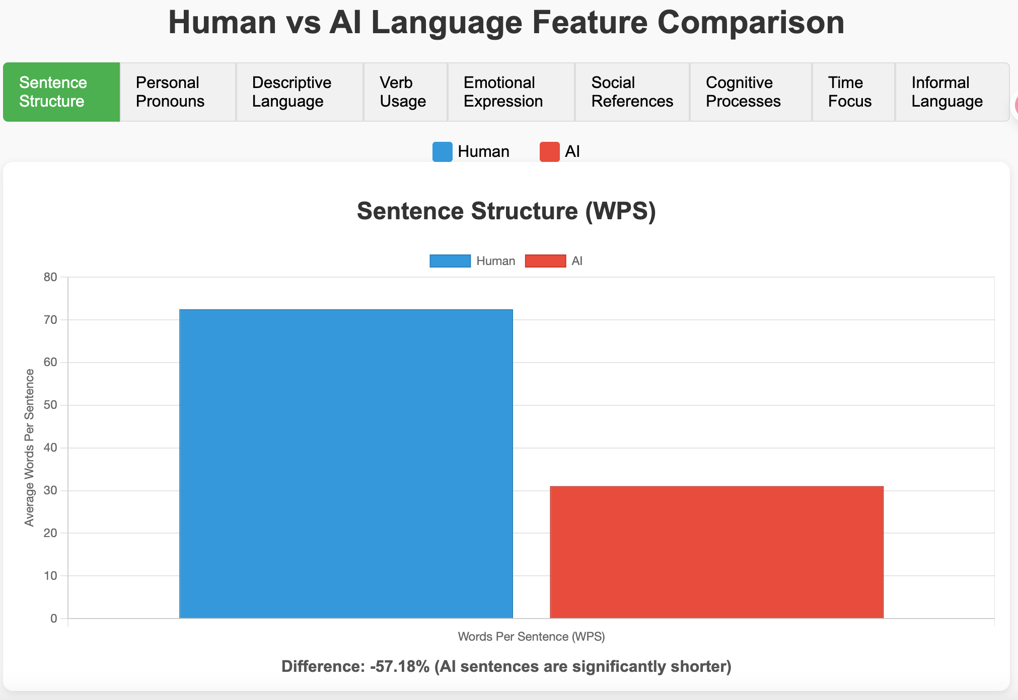

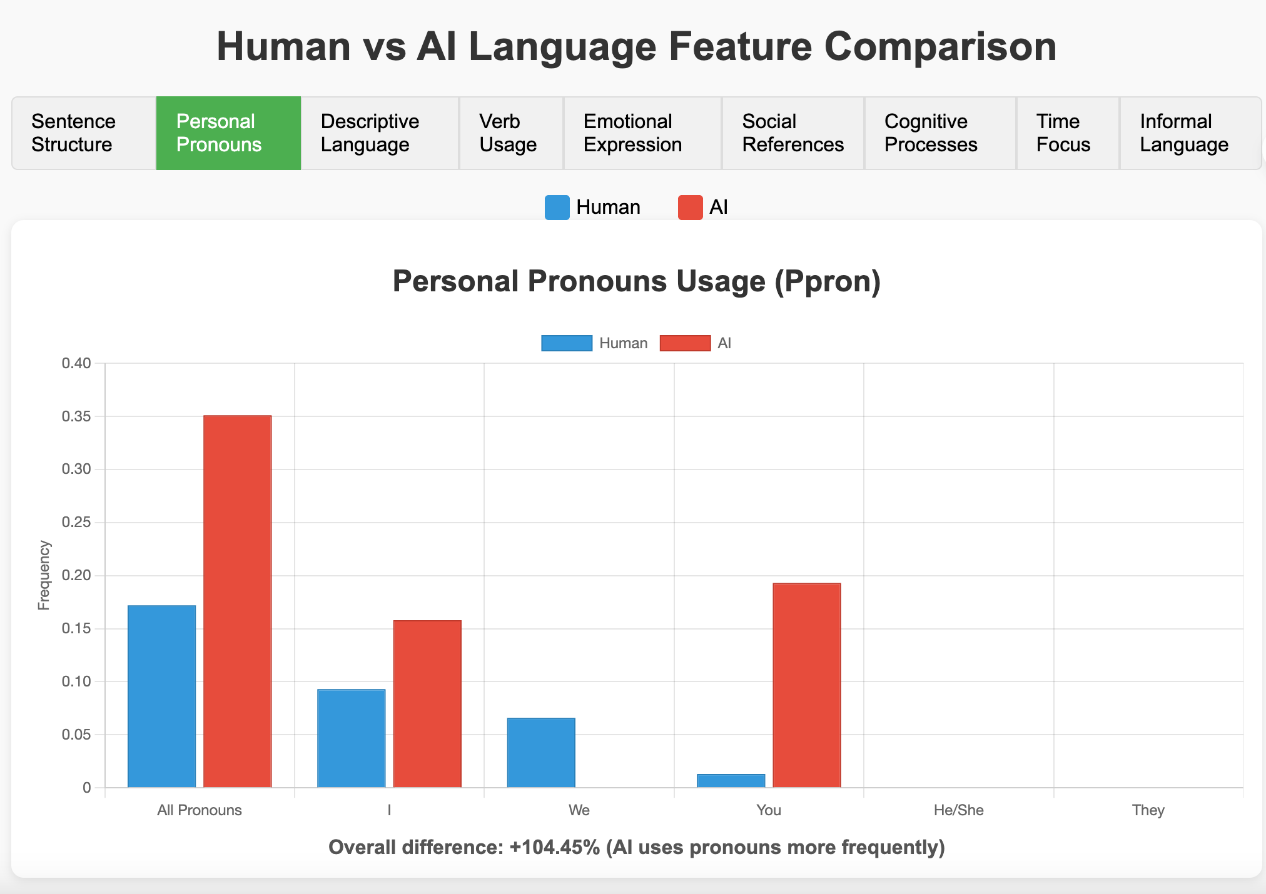

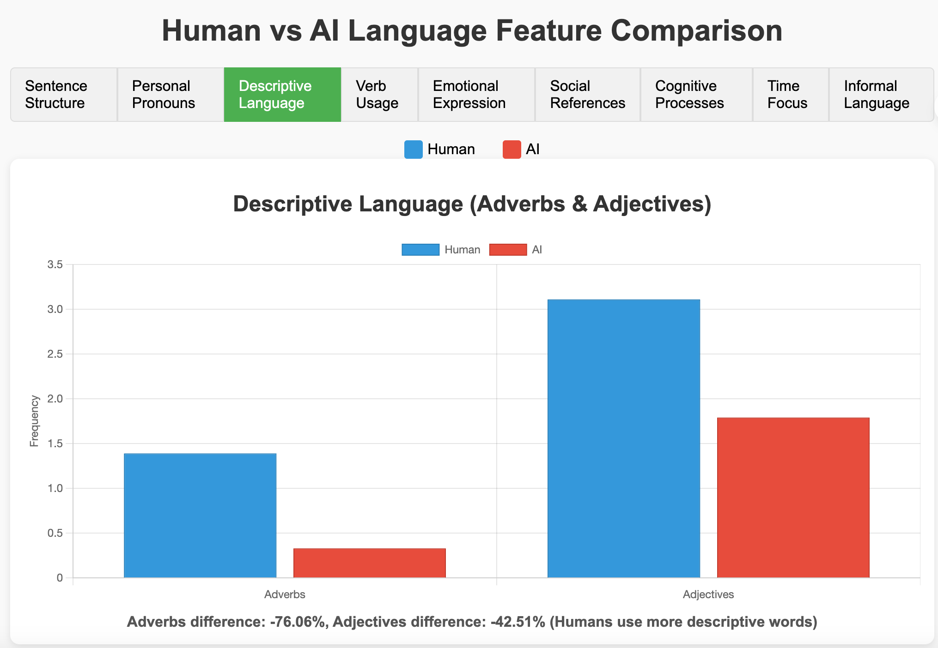

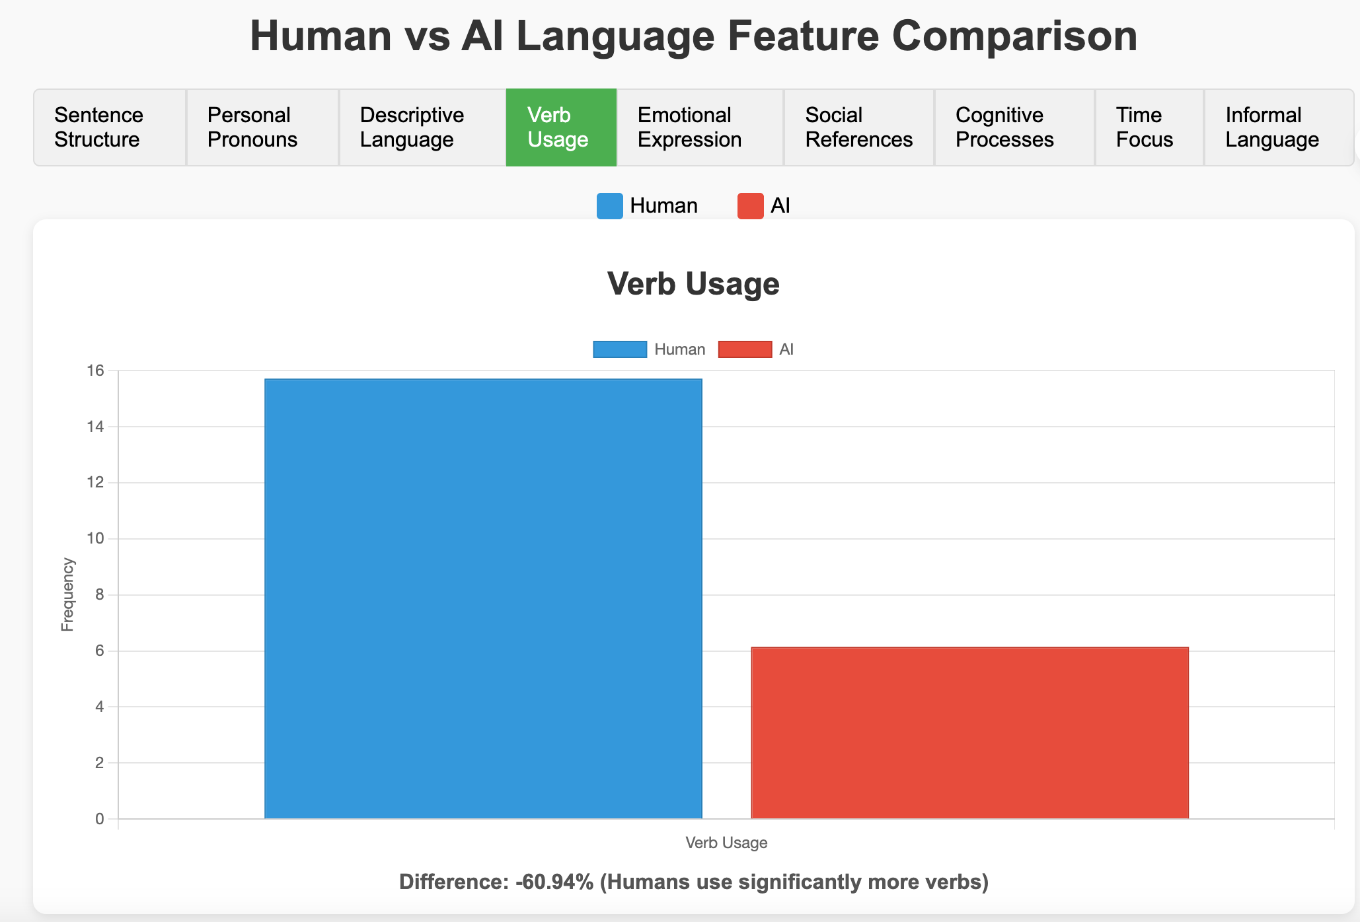

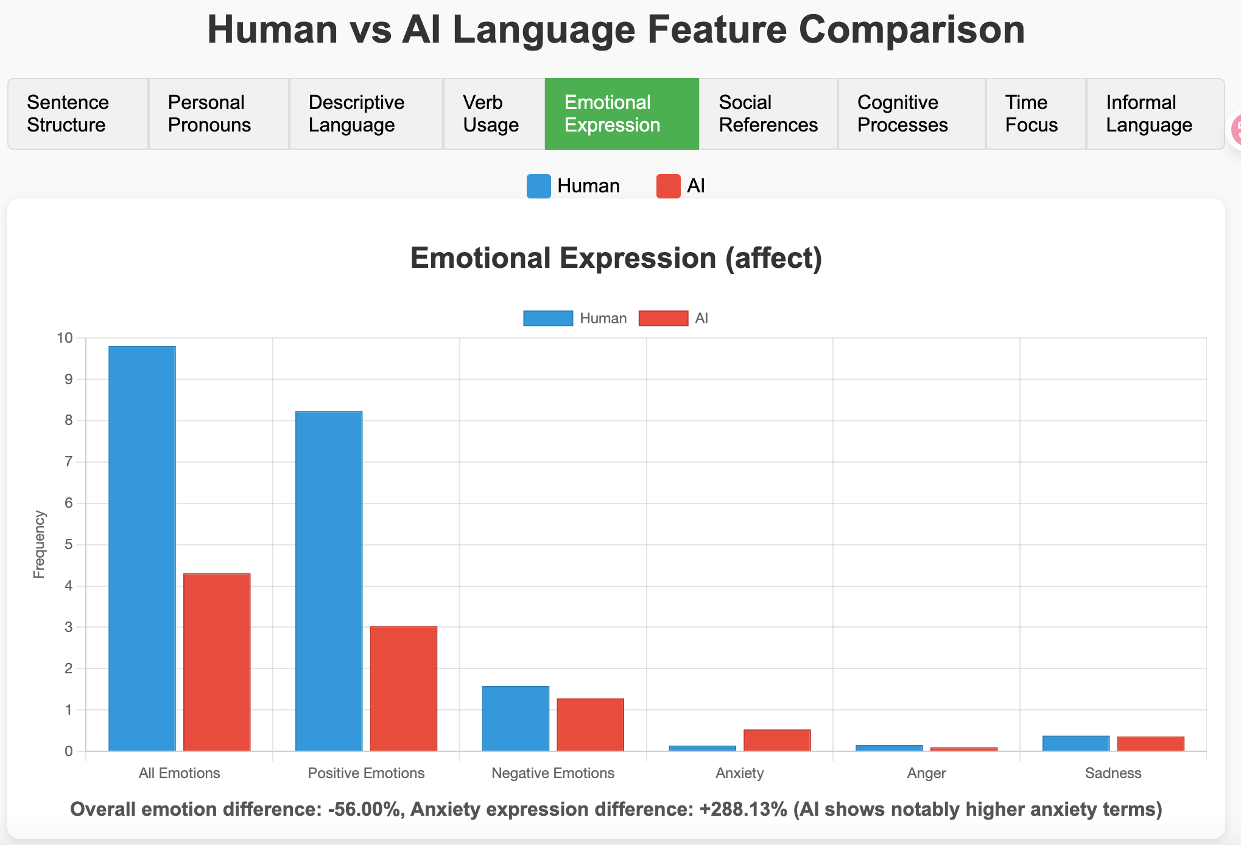

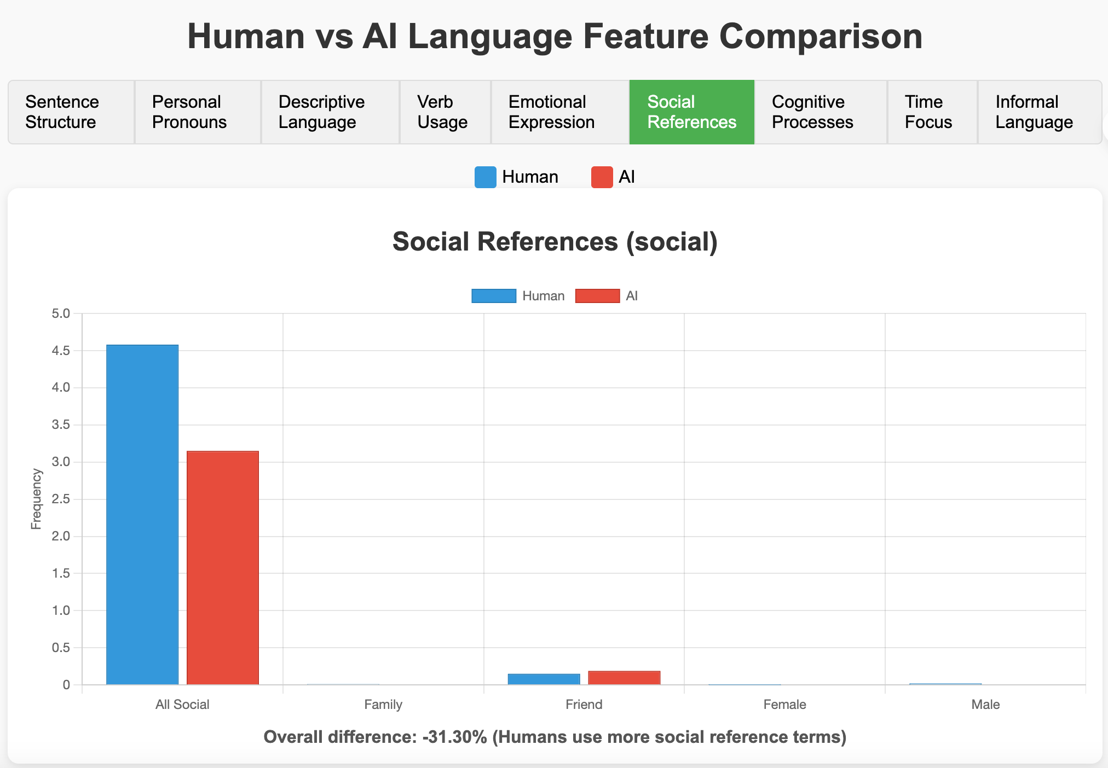

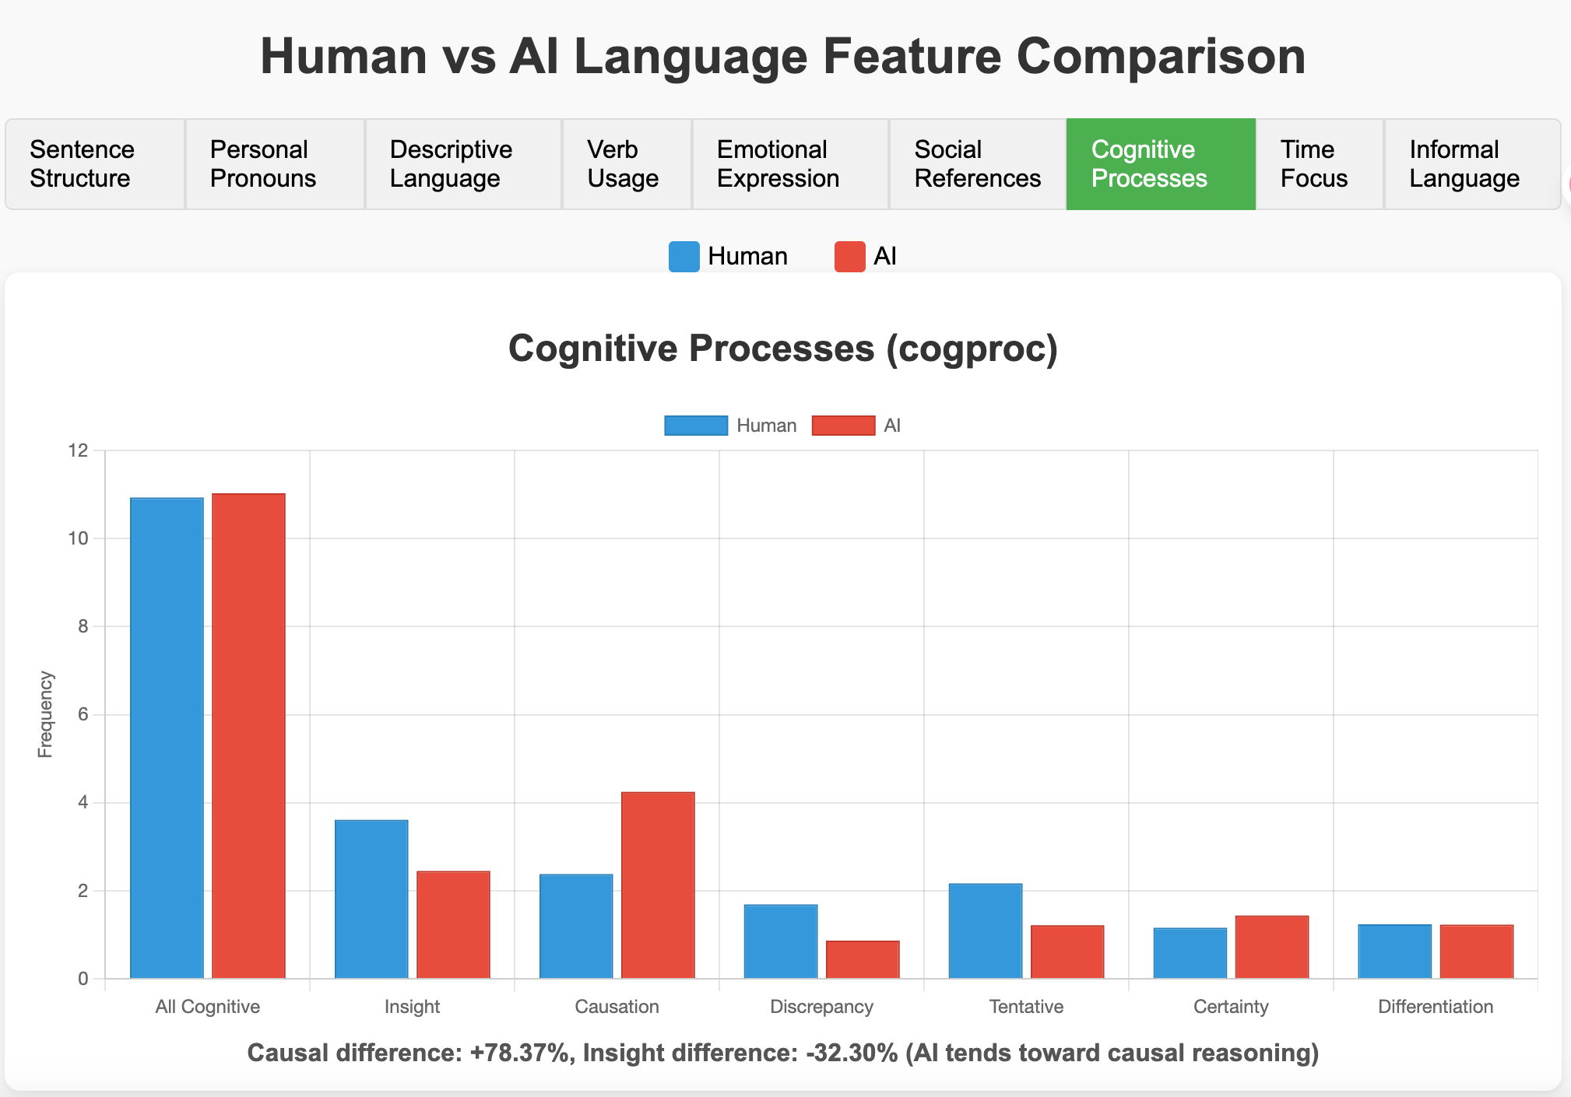

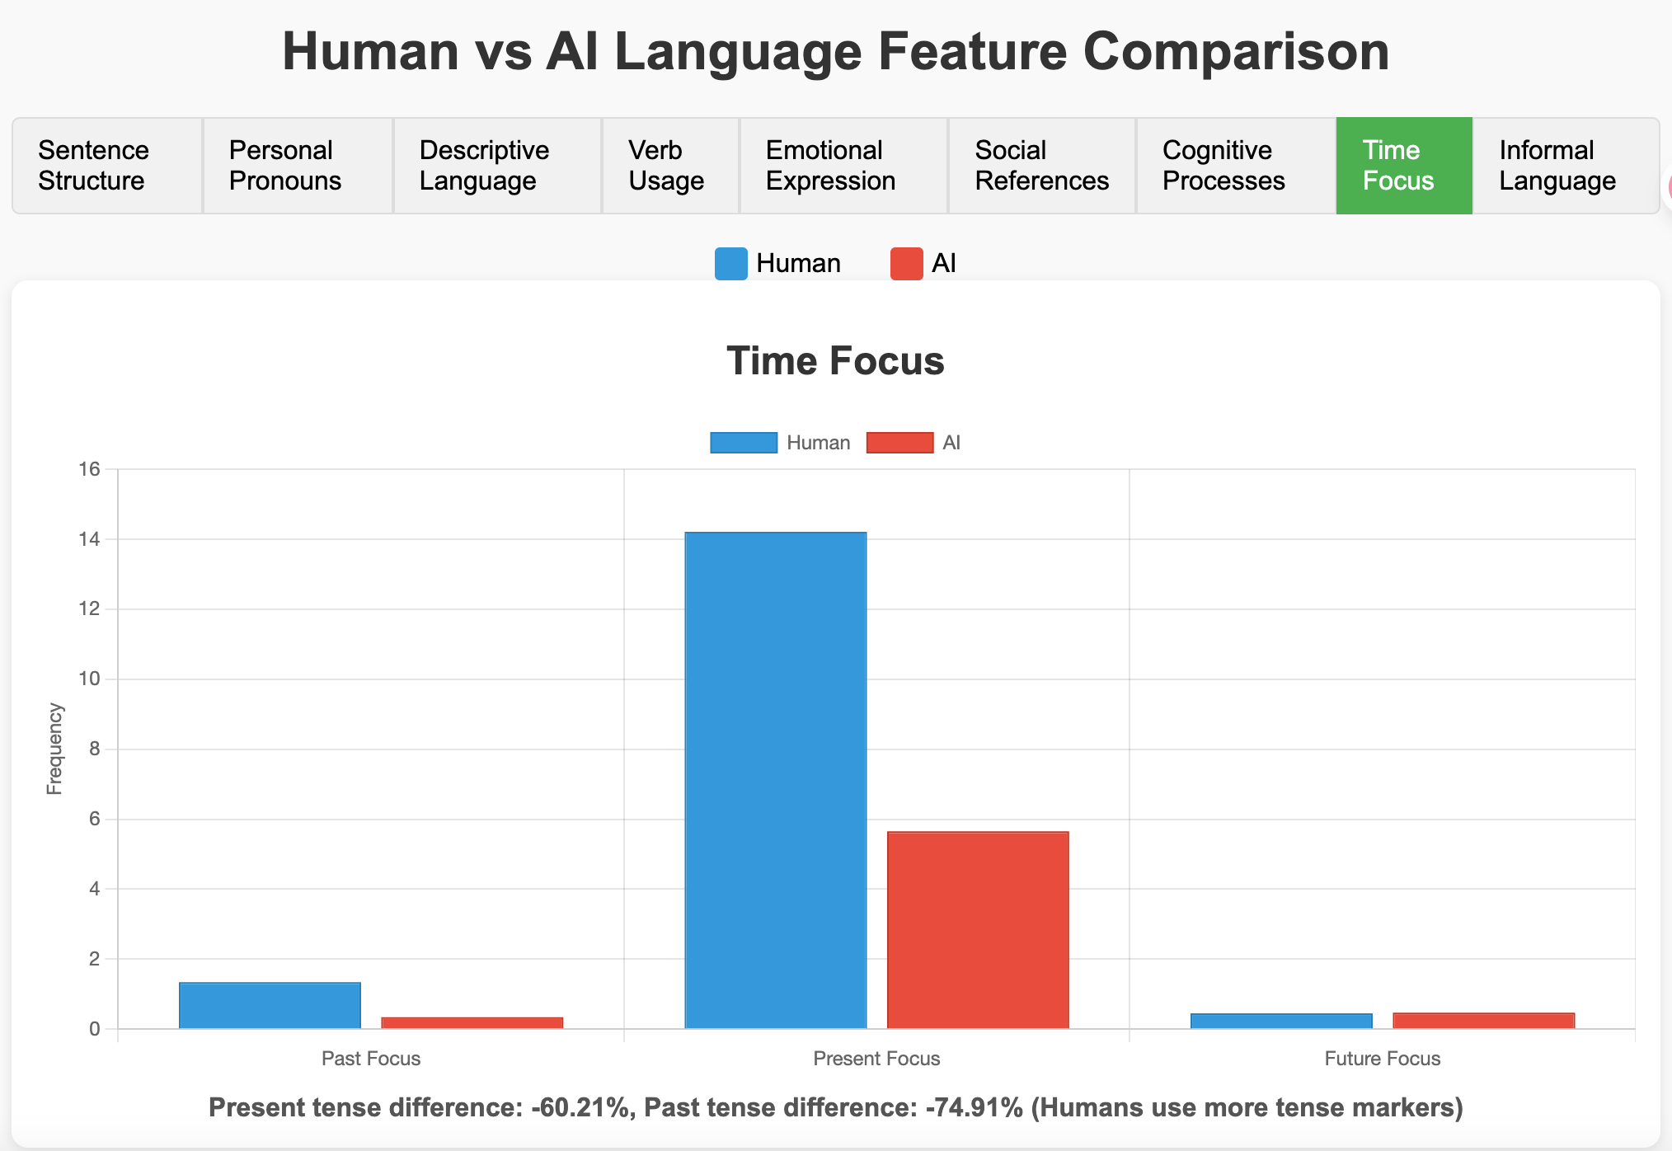

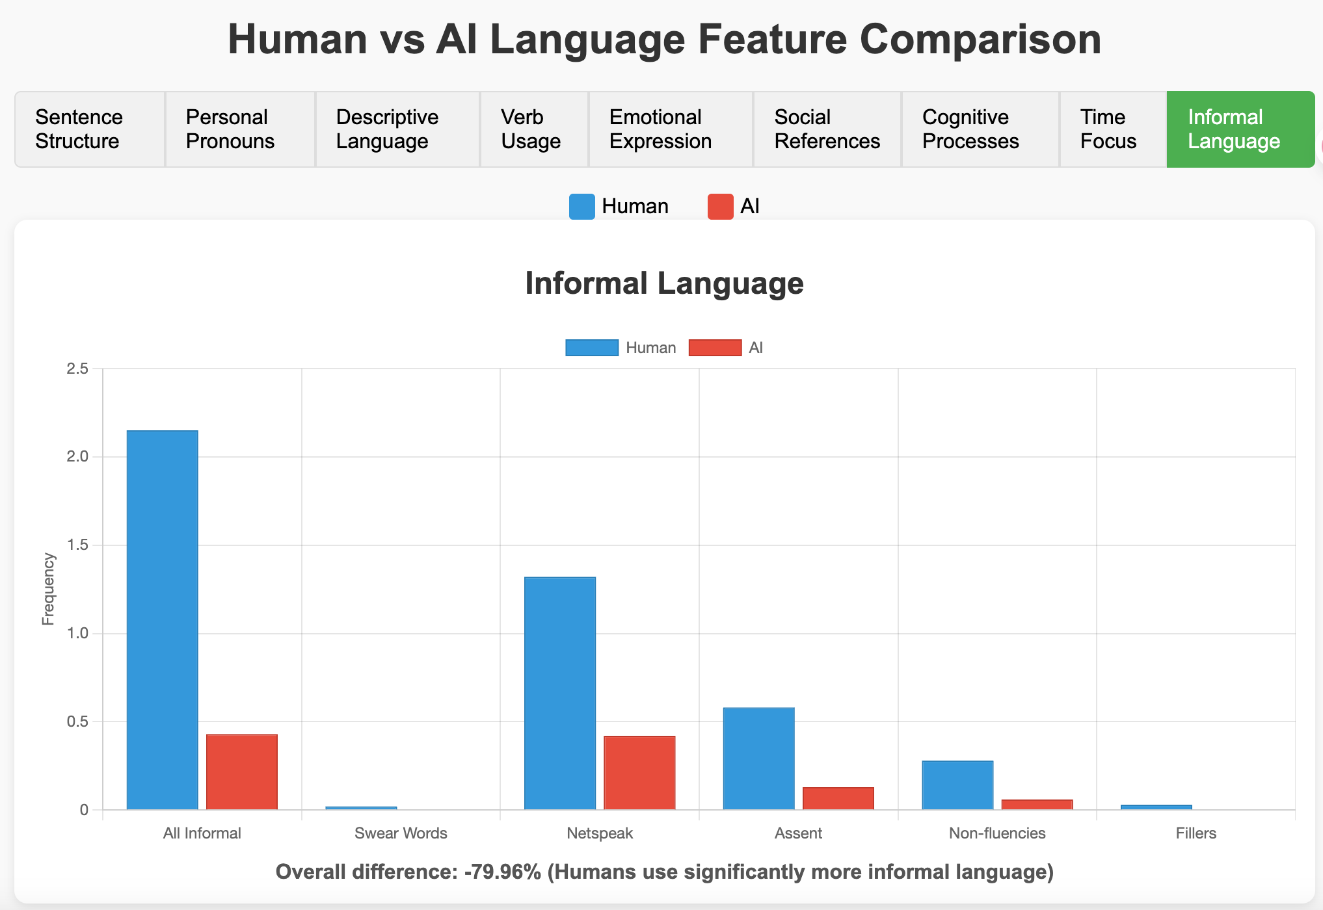

Visualizations
Top 10 Differences Between Human and AI LIWC Scores (Mean)
 | Human Mean | AI Mean
WPS | 72.450617284 | 31.024495677
Dic | 33.843395062 | 21.58426513
verb | 15.714012346 | 6.1384726225
focuspresent | 14.210308642 | 5.6542939481
affect | 9.8069444444 | 4.3145821326
posemo | 8.2270987654 | 3.0338040346
cause | 2.3829012346 | 4.2502881844
informal | 2.1457716049 | 0.43008645533
social | 4.5835802469 | 3.1491354467
adj | 3.1145679012 | 1.7906051873

Top 10 Differences Between Human and AI LIWC Scores (Median)
 | Human Median | AI Median
Dic | 32.865 | 21.31
verb | 12.5 | 5.13
focuspresent | 12.035 | 4.76
cause | 0.995 | 3.85
affect | 6.25 | 3.51
insight | 2.39 | 0
posemo | 4.23 | 2.13
WPS | 29 | 27
adj | 1.735 | 0
social | 3.18 | 2.04

Top 10 Differences in Standard Deviation Between Human and AI
 | Human StdDev | AI StdDev
WPS | 15.312169948 | -162.62619739
posemo | 3.8708806852 | -12.06365259
affect | 4.6747227096 | -11.196262371
verb | 5.1032171907 | -10.264074276
focuspresent | 5.0132586353 | -10.160825224
Dic | 9.0362956129 | -9.8553815614
informal | 1.9120278687 | -6.5530440045
netspeak | 1.910770171 | -6.2678693826
social | 3.873066902 | -3.6497580662
cogproc | 6.9438249415 | -2.9645605351

